Horse ID Option 1 (4)
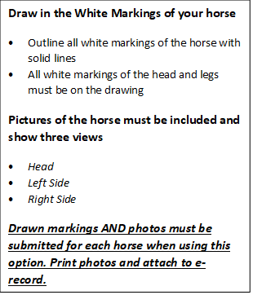
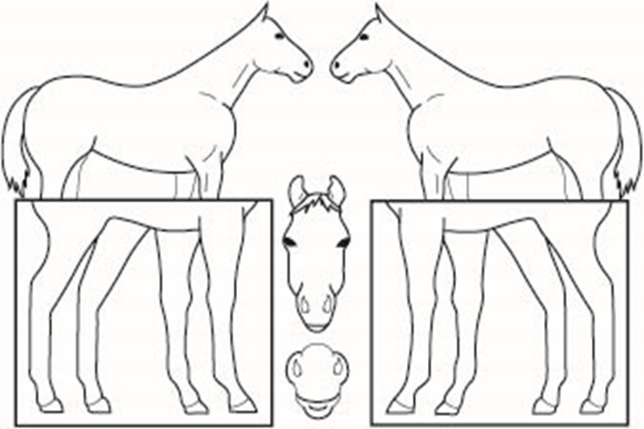
Important - You must complete one of the two options for Horse Identification. If you use the first opton, you must fill out one sheet per horse and attach required photos for each horse identified in 4HOnline. If you are using the second option (print option), you must have one print out for each horse identified in 4HOnline.
Option #1
Animal Name | Registered Name |  | Animal Birthdate
Breed (or Grade Horse) | Animal Gender | Coat Color and Markings
Height (In Hands High) | Tattoo or Microchip ID | Premise I.D.# (for location of horse)
Ownership (Circle ONE) | Name of Lessor (If Leased) |  | Lease Provided (Circle ONE)
Individual Family Leased

